Energy Consumption Total
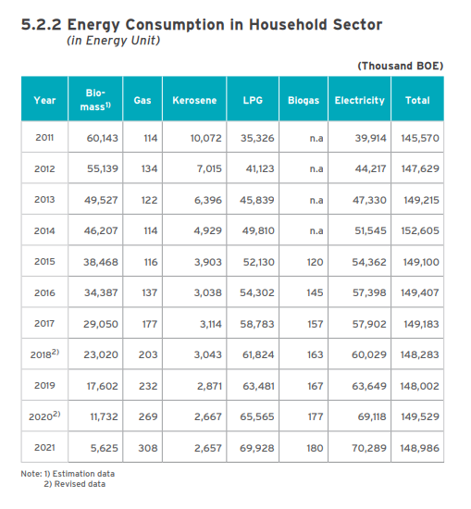
household sector (thousand boe)
 | biomass | gas | kerosene | lpg | biogas | electricity |  | difference from 2018
2018 | 23020 | 203 | 3043 | 61824 | 163 | 60029
2019 | 17602 | 232 | 2871 | 63481 | 167 | 63649 |  | -0.2%
2020 | 11732 | 269 | 2667 | 65565 | 177 | 69118 |  | 0.8%
2021 | 5625 | 308 | 2657 | 69928 | 180 | 70289 |  | 0.5%

commercial sector (thousand boe)
 | biomass | gas | kerosene | gasoil cn48 | biogasoil | mdf | lpg | electricity | difference from 2018
2018 | 1326 | 1211 | 168 | 2666 | 0 | 2 | 1712 | 36516
2019 | 1320 | 1234 | 159 | 158 | 1918 | 2 | 1758 | 38993 | 4.5%
2020 | 1313 | 732 | 147 | 295 | 1793 | 1 | 1816 | 35652 | -4.2%
2021 | 1307 | 701 | 147 | 534 | 1940 | 2 | 1936 | 36918 | -0.3%

btus per boe | 5.80E+06
thousand | 1000

household sector btus
 | biomass | gas | kerosene | lpg | biogas | electricity
2018 | 1.33E+14 | 1.18E+12 | 1.76E+13 | 3.59E+14 | 9.45E+11 | 3.48E+14
2019 | 1.02E+14 | 1.35E+12 | 1.66E+13 | 3.68E+14 | 9.68E+11 | 3.69E+14
2020 | 6.80E+13 | 1.56E+12 | 1.55E+13 | 3.80E+14 | 1.03E+12 | 4.01E+14
2021 | 3.26E+13 | 1.79E+12 | 1.54E+13 | 4.06E+14 | 1.04E+12 | 4.08E+14

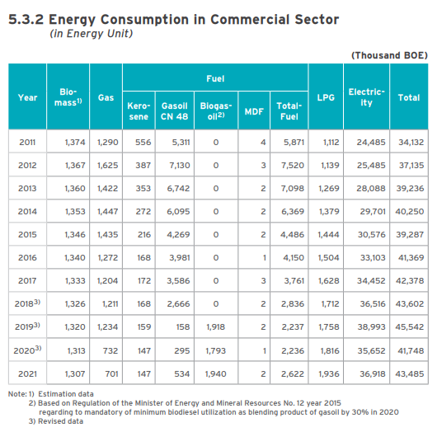
commercial sector btus
 | biomass | gas | kerosene | gasoil cn48 | biogasoil | mdf | lpg | electricity
2018 | 7.69E+12 | 7.02E+12 | 9.74E+11 | 1.55E+13 | 0.00E+00 | 1.16E+10 | 9.93E+12 | 2.12E+14
2019 | 7.65E+12 | 7.16E+12 | 9.22E+11 | 9.16E+11 | 1.11E+13 | 1.16E+10 | 1.02E+13 | 2.26E+14
2020 | 7.61E+12 | 4.24E+12 | 8.52E+11 | 1.71E+12 | 1.04E+13 | 5.80E+09 | 1.05E+13 | 2.07E+14
2021 | 7.58E+12 | 4.07E+12 | 8.52E+11 | 3.10E+12 | 1.13E+13 | 1.16E+10 | 1.12E+13 | 2.14E+14

forecast
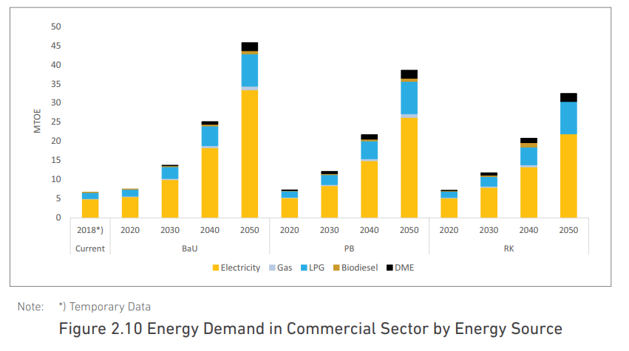
https://www.esdm.go.id/assets/media/content/content-indonesia-energy-outlook-2019-english-version.pdf

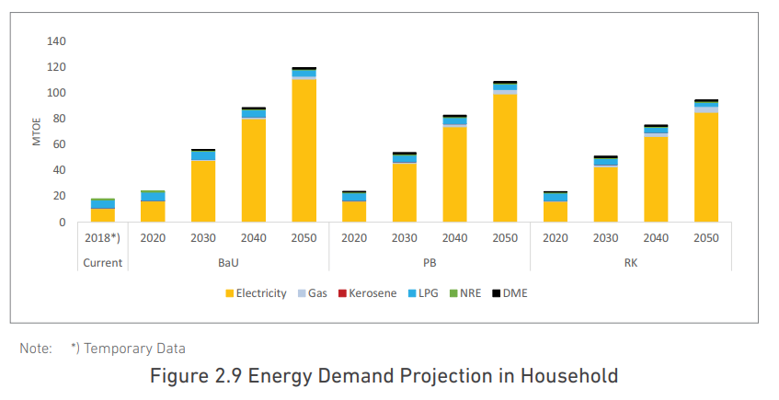
household estimated demand by household using visual estimate from graph
 | height | percent change from 2018
2018 | 0.27 | 1.0
2030 | 0.83 | 3.1
2040 | 1.32 | 4.9
2050 | 1.77 | 6.6

commercial energy use estimate from graph
 | height
2018 | 0.38 | 1.0
2020 | 0.43 | 1.1
2030 | 0.77 | 2.0
2040 | 1.39 | 3.7
2050 | 2.49 | 6.6

Residential end uses
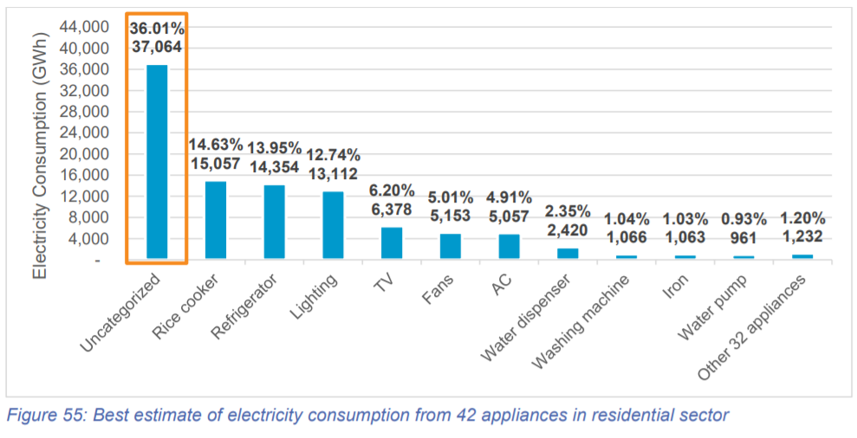
 |  |  |  |  |  |  | eps cateogry | eps cateogry
 |  |  |  |  | uncategorized | 37,064 | other | other | 43442 | 42%
 |  |  |  |  | rice cooker | 15,057 | appliances | appliances | 36153 | 35%
 |  |  |  |  | refrigerator | 14,354 | appliances | lighting | 13112 | 13%
 |  |  |  |  | lighting | 13,112 | lighting | cooling | 10210 | 10%
 |  |  |  |  | tv | 6,378 | other
 |  |  |  |  | fans | 5,153 | cooling |  | 1 | 100%
 |  |  |  |  | ac | 5,057 | cooling
 |  |  |  |  | water dispenser | 2,420 | appliances
 |  |  |  |  | washing machine | 1,066 | appliances
 |  |  |  |  | iron | 1,063 | appliances
 |  |  |  |  | water pump | 961 | appliances
 |  |  |  |  | other appliances | 1,232 | appliances

 |  |  |  |  | total | 102,917

 | year: 2019
 | electricity, by end use
GWh | Category in CLASP | Category in EPS | Total in EPS | This data is then divided for urban and rural use based on urbanization rate (electricity end-use % consumption rate is assumed to be the same)
5,057 | air conditioner | cooling | 11,739
6,682 | electric fan
15,296 | refrigerator | cooking | 30,353
15,057 | rice cooker/warmer
6,378 | television | appliances | 13,120
1,232 | other 32 appliances
1,063 | iron
1,066 | washing machine
2,420 | dispenser |  |  | Total electricity consumption in household (2019)
961 | water pump |  |  | PLN 2019: | 102,917 | GWh
13,112 | lighting | lighting | 13,112 | HEESI 2019: | 103,016 | GWh
37,064 | uncategorized | other | 37,163 | conclusion: data is valid since the difference between 2 sources is low
99 | modulus (unmatch between PLN and HSEE)

